Sheet1
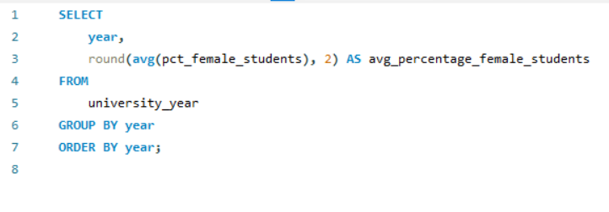
What is the trend in the percentage of female students over time?

Sheet2
year | avg_percentage_female_students
2011 | 45.28
2012 | 45.53
2013 | 44.82
2014 | 44.51
2015 | 44.94
2016 | 45.25

